7_Đổ Dl Sp_phan trang
PHP Laravel 5x - Website bán hàng Bài 8: Đổ Dữ Liệu Sản Phẩm Ra Trang Chủ Phần 2 Phân Trang

Vi du, chung ta muon hien thi 8 san pham ra ngoai trang chu
Chung ta thuc hien nhu sau trong pagecontroller
 | Chung ta thay the cau lenh get() bang cau lenh paginate(8)

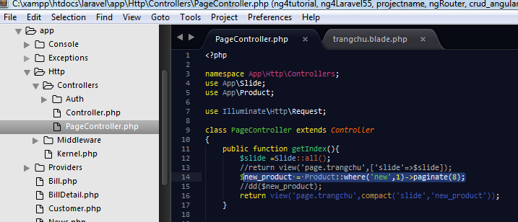

 |  |  | public function getIndex(){
 |  |  |  | $slide =Slide::all();
 |  |  |  | //return view('page.trangchu',['slide'=>$slide]);
 |  |  | $new_product = Product::where('new',1)->paginate(8);
 |  |  | //dd($new_product);
 |  |  |  | return view('page.trangchu',compact('slide','new_product'));
 |  |  | }

Chay thu | Ket qua, chung ta chi thay co 8 san pham duoc hien thi

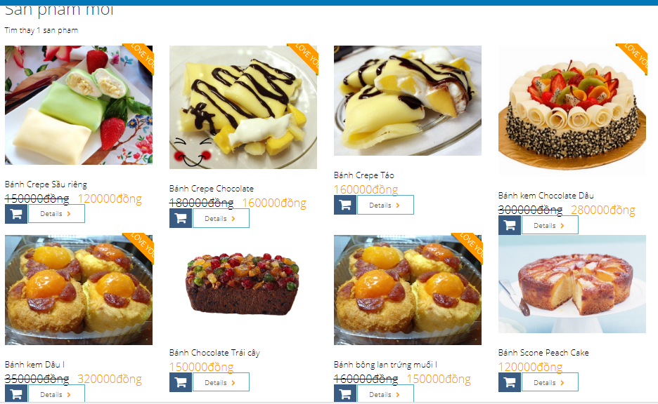

Bay gio, chung ta tien hanh tạo 1 phuong thuc links() de tao link lien ket den nhung trang con lai
Trong Laravel, hotro phuong thuc links() de chung ta thuc hien

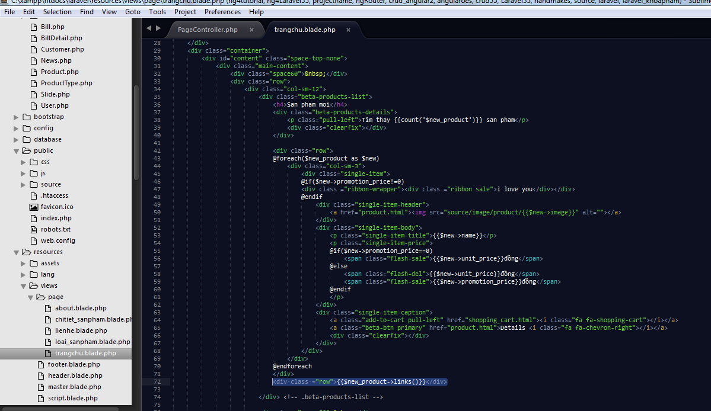

Chay thu--OK

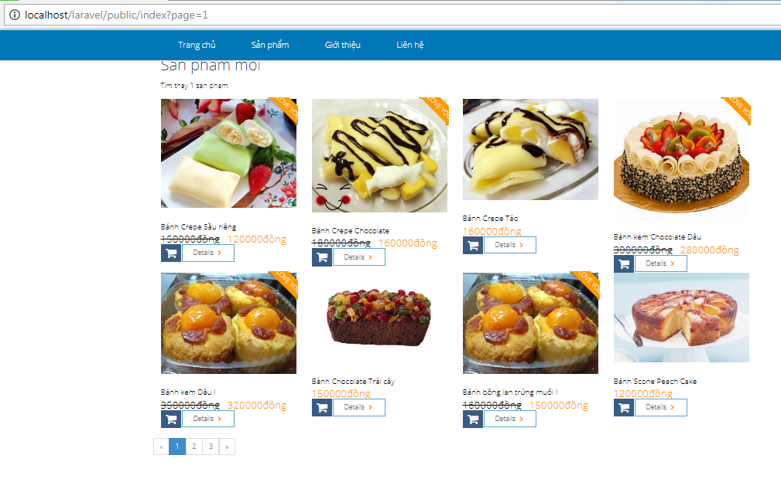

 | Thuc hien do dieu ra ngoai - TOP_PRODUCT
 | ( Chung ta thuc hien do du lieu ra ngoai , do la cac san pham khuyen mai= co the duoc xem la Top_ sanpham), cai nay, tuy theo quan diem cua moi nguoi nhe

 | Tuong tu nhu tren ( san pham moi), chung ta tien hanh tao 1 bien $sanpham_khuyenmai, voi dieu kien promotion_price','<>',0 |  |  |  | @extends('master')
 |  |  |  |  | @section('content')
 |  | $sanpham_khuyenmai = Product::where('promotion_price','<>',0)->paginate(4);
 |  |  |  |  | <div class="rev-slider">
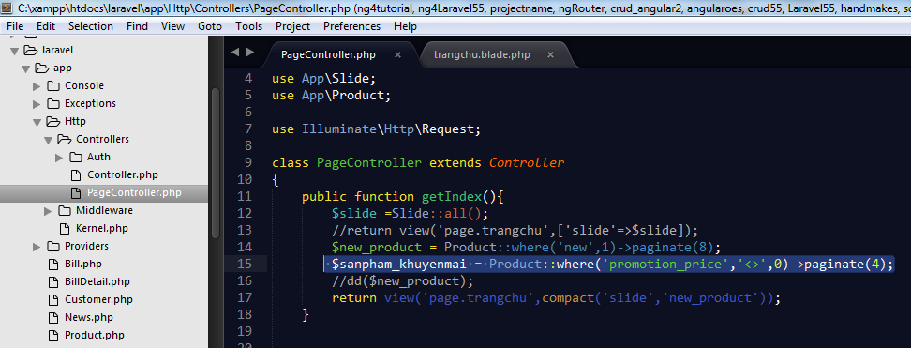
 |  |  |  |  | <div class="fullwidthbanner-container">
 |  |  |  |  |  | <div class="fullwidthbanner">
 |  |  |  |  |  |  | <div class="bannercontainer" >
 |  |  |  |  |  | <div class="banner" >
 |  |  |  |  |  |  |  | <ul>
 |  |  |  |  |  |  |  |  |  | <!-- THE FIRST SLIDE -->
 |  |  |  |  |  |  |  | @foreach($slide as $sl)
 |  |  |  |  |  |  |  |  | <li data-transition="boxfade" data-slotamount="20" class="active-revslide" style="width: 100%; height: 100%; overflow: hidden; z-index: 18; visibility: hidden; opacity: 0;">
 |  |  |  |  |  |  | <div class="slotholder" style="width:100%;height:100%;" data-duration="undefined" data-zoomstart="undefined" data-zoomend="undefined" data-rotationstart="undefined" data-rotationend="undefined" data-ease="undefined" data-bgpositionend="undefined" data-bgposition="undefined" data-kenburns="undefined" data-easeme="undefined" data-bgfit="undefined" data-bgfitend="undefined" data-owidth="undefined" data-oheight="undefined">
 |  |  |  |  |  |  |  |  |  |  | <div class="tp-bgimg defaultimg" data-lazyload="undefined" data-bgfit="cover" data-bgposition="center center" data-bgrepeat="no-repeat" data-lazydone="undefined" src="source/image/slide/{{$sl->image}}" data-src="source/image/slide/{{$sl->image}}" style="background-color: rgba(0, 0, 0, 0); background-repeat: no-repeat; background-image: url('source/image/slide/{{$sl->image}}'); background-size: cover; background-position: center center; width: 100%; height: 100%; opacity: 1; visibility: inherit;">
 |  |  |  |  |  |  |  |  |  |  |  |  |  | </div>
 |  |  |  |  |  |  |  |  |  |  | </div>

 |  |  |  |  |  |  | </li>
 |  |  |  |  |  |  |  | @endforeach
 |  |  |  |  |  |  |  |  | </ul>
 |  |  |  |  |  |  |  | </div>
 |  |  |  |  |  |  | </div>

 |  |  |  |  |  |  | <div class="tp-bannertimer"></div>
 |  |  |  |  |  | </div>
 |  |  |  |  | </div>
Chung ta cung lam tuong tu, chungta vao trangchu.blade.php, chung ta tien hanh cat cac phan html lap lai, chi giu lai 1col-md-3 |  |  |  |  | <!--slider-->
Sau do chung ta tien hanh dung vong lap, qua trinh nay lam lai giong nhu cac buoc tren |  |  |  |  | </div>
 |  |  |  |  | <div class="container">
 |  |  |  |  |  | <div id="content" class="space-top-none">
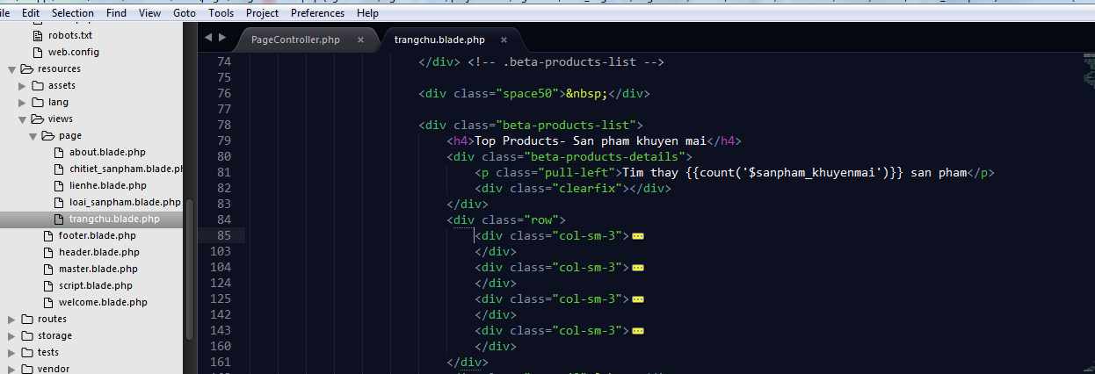
 |  |  |  |  |  |  | <div class="main-content">
 |  |  |  |  |  |  |  | <div class="space60">&nbsp;</div>
 |  |  |  |  |  |  |  | <div class="row">
 |  |  |  |  |  |  |  |  | <div class="col-sm-12">
 |  |  |  |  |  |  |  |  |  | <div class="beta-products-list">
 |  |  |  |  |  |  |  |  |  |  | <h4 >San pham moi</h4>
 |  |  |  |  |  |  |  |  |  |  | <div class="beta-products-details">
 |  |  |  |  |  |  |  |  |  |  |  | <p class="pull-left">Tim thay {{count('$new_product')}} san pham</p>
 |  |  |  |  |  |  |  |  |  |  |  | <div class="clearfix"></div>
 |  |  |  |  |  |  |  |  |  |  | </div>

 |  |  |  |  |  |  |  |  |  |  | <div class="row">
 |  |  |  |  |  |  |  |  |  |  | @foreach($new_product as $new)
 |  |  |  |  |  |  |  |  |  |  |  | <div class="col-sm-3">
 |  |  |  |  |  |  |  |  |  |  |  |  | <div class="single-item">
 |  |  |  |  |  |  |  |  |  |  |  |  | @if($new->promotion_price!=0)
 |  |  |  |  |  |  |  |  |  |  |  |  | <div class ="ribbon-wrapper"><div class ="ribbon sale">i love you</div></div>
Cat 3 phan laplai nay di, chi giua lai 1
 |  |  |  |  |  |  |  |  |  |  |  |  | @endif
 |  |  |  |  |  |  |  |  |  |  |  |  |  | <div class="single-item-header">
 |  |  |  |  |  |  |  |  |  |  |  |  |  |  | <a href="product.html"><img src="source/image/product/{{$new->image}}" alt=""></a>
 |  |  |  |  |  |  |  |  |  |  |  |  |  | </div>
 |  |  |  |  |  |  |  |  |  |  |  |  |  | <div class="single-item-body">
 |  |  |  |  |  |  |  |  |  |  |  |  |  |  | <p class="single-item-title">{{$new->name}}</p>
 |  |  |  |  |  |  |  |  |  |  |  |  |  |  | <p class="single-item-price" style="font-size: 18px">
 |  |  |  |  |  |  |  |  |  |  |  |  |  |  | @if($new->promotion_price==0)
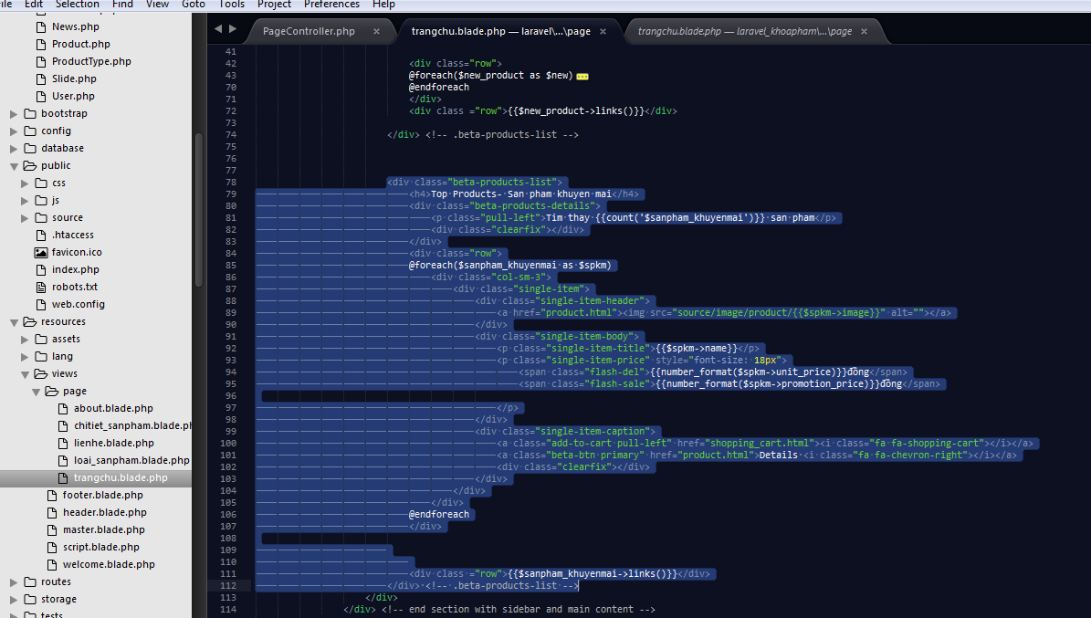
 |  |  |  |  |  |  |  |  |  |  |  |  |  |  |  | <span class="flash-sale">{{number_format($new->unit_price)}}đồng</span>
 |  |  |  |  |  |  |  |  |  |  |  |  |  |  | @else
 |  |  |  |  |  |  |  |  |  |  |  |  |  |  |  | <span class="flash-del">{{number_format($new->unit_price)}}đồng</span>
 |  |  |  |  |  |  |  |  |  |  |  |  |  |  |  | <span class="flash-sale">{{number_format($new->promotion_price)}}đồng</span>
 |  |  |  |  |  |  |  |  |  |  |  |  |  |  | @endif
 |  |  |  |  |  |  |  |  |  |  |  |  |  |  | </p>
 |  |  |  |  |  |  |  |  |  |  |  |  |  | </div>
 |  |  |  |  |  |  |  |  |  |  |  |  |  | <div class="single-item-caption">
 |  |  |  |  |  |  |  |  |  |  |  |  |  |  | <a class="add-to-cart pull-left" href="shopping_cart.html"><i class="fa fa-shopping-cart"></i></a>
 |  |  |  |  |  |  |  |  |  |  |  |  |  |  | <a class="beta-btn primary" href="product.html">Details <i class="fa fa-chevron-right"></i></a>
 |  |  |  |  |  |  |  |  |  |  |  |  |  |  | <div class="clearfix"></div>
 |  |  |  |  |  |  |  |  |  |  |  |  |  | </div>
 |  |  |  |  |  |  |  |  |  |  |  |  | </div>
 |  |  |  |  |  |  |  |  |  |  |  | </div>
 |  |  |  |  |  |  |  |  |  |  | @endforeach
 |  |  |  |  |  |  |  |  |  |  | </div>
 |  |  |  |  |  |  |  |  |  |  | <div class ="row">{{$new_product->links()}}</div>

 |  |  |  |  |  |  |  |  |  | </div> <!-- .beta-products-list -->

 |  |  |  |  |  |  |  |  |  | <div class="beta-products-list">
 |  |  |  |  |  |  |  |  |  |  | <h4>Top Products- San pham khuyen mai</h4>
 |  |  |  |  |  |  |  |  |  |  | <div class="beta-products-details">
 |  |  |  |  |  |  |  |  |  |  |  | <p class="pull-left">Tim thay {{count('$sanpham_khuyenmai')}} san pham</p>
 |  |  |  |  |  |  |  |  |  |  |  | <div class="clearfix"></div>
 |  |  |  |  |  |  |  |  |  |  | </div>
 |  |  |  |  |  |  |  |  |  |  | <div class="row">
 |  |  |  |  |  |  |  |  |  |  | @foreach($sanpham_khuyenmai as $spkm)
 |  |  |  |  |  |  |  |  |  |  |  | <div class="col-sm-3">
 |  |  |  |  |  |  |  |  |  |  |  |  | <div class="single-item">
 |  |  |  |  |  |  |  |  |  |  |  |  |  | <div class="single-item-header">
 |  |  |  |  |  |  |  |  |  |  |  |  |  |  | <a href="product.html"><img src="source/image/product/{{$spkm->image}}" alt=""></a>
 |  |  |  |  |  |  |  |  |  |  |  |  |  | </div>
 |  |  |  |  |  |  |  |  |  |  |  |  |  | <div class="single-item-body">
 |  |  |  |  |  |  |  |  |  |  |  |  |  |  | <p class="single-item-title">{{$spkm->name}}</p>
 |  |  |  |  |  |  |  |  |  |  |  |  |  |  | <p class="single-item-price" style="font-size: 18px">
 |  |  |  |  |  |  |  |  |  |  |  |  |  |  |  | <span class="flash-del">{{number_format($spkm->unit_price)}}đồng</span>
 |  |  |  |  |  |  |  |  |  |  |  |  |  |  |  | <span class="flash-sale">{{number_format($spkm->promotion_price)}}đồng</span>

 |  |  |  |  |  |  |  |  |  |  |  |  |  |  | </p>
 |  |  |  |  |  |  |  |  |  |  |  |  |  | </div>
 |  |  |  |  |  |  |  |  |  |  |  |  |  | <div class="single-item-caption">
 |  |  |  |  |  |  |  |  |  |  |  |  |  |  | <a class="add-to-cart pull-left" href="shopping_cart.html"><i class="fa fa-shopping-cart"></i></a>
 |  |  |  |  |  |  |  |  |  |  |  |  |  |  | <a class="beta-btn primary" href="product.html">Details <i class="fa fa-chevron-right"></i></a>
 |  |  |  |  |  |  |  |  |  |  |  |  |  |  | <div class="clearfix"></div>
 |  |  |  |  |  |  |  |  |  |  |  |  |  | </div>
 |  |  |  |  |  |  |  |  |  |  |  |  | </div>
 |  |  |  |  |  |  |  |  |  |  |  | </div>
 |  |  |  |  |  |  |  |  |  |  | @endforeach
 |  |  |  |  |  |  |  |  |  |  | </div>

 |  |  |  |  |  |  |  |  |  |  | <div class ="row">{{$sanpham_khuyenmai->links()}}</div>
 |  |  |  |  |  |  |  |  |  | </div> <!-- .beta-products-list -->
 |  |  |  |  |  |  |  |  | </div>
 |  |  |  |  |  |  |  | </div> <!-- end section with sidebar and main content -->

 |  |  |  |  |  |  | </div> <!-- .main-content -->
 |  |  |  |  |  | </div> <!-- #content -->
 |  |  |  |  | @endsection

